PROJECT VICINTIY
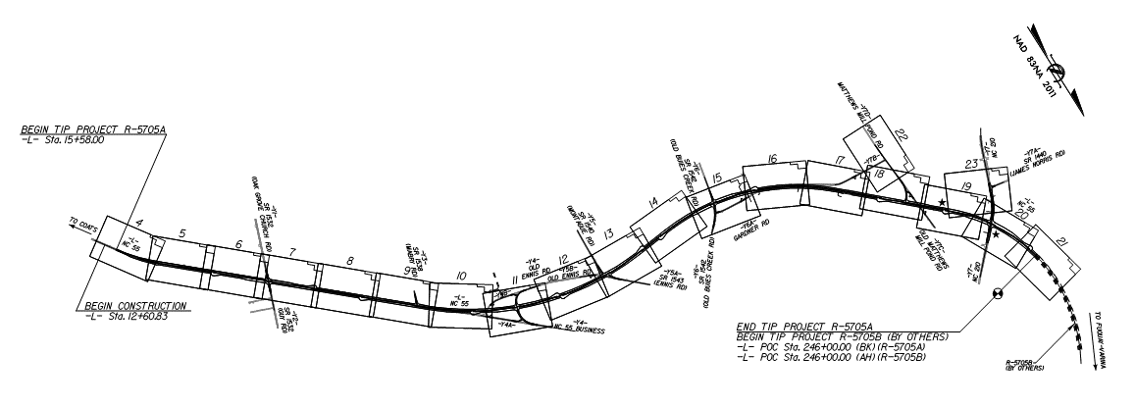
PROJECT VICINITY (OVERVIEW - SEE PROJECT PLANS)
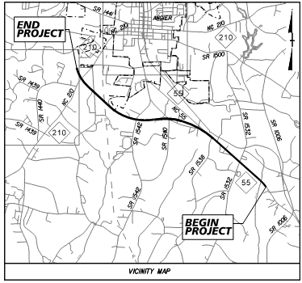
 | NCDOT C204785 Harnett County: NC-55 FROM SOUTH OF SR-1532 (OAK GROVE CHURCH RD) TO NC-210
 |  | NCDOT Central Letting RPN: 003 Contract: R-5705A 46377.3.1 C204785 HARNETT County
 |  | OFFER DUE SEPT 18, 2023 TO THALLE CONSTRUCTION CO Inc. for NCDOT Letting of Sep 19, 2023:
 |  | Description
 |  | GRADING, DRAINAGE, PAVING, SIGNALS, AND CULVERTS.: 4.364 Miles

